Sheet1
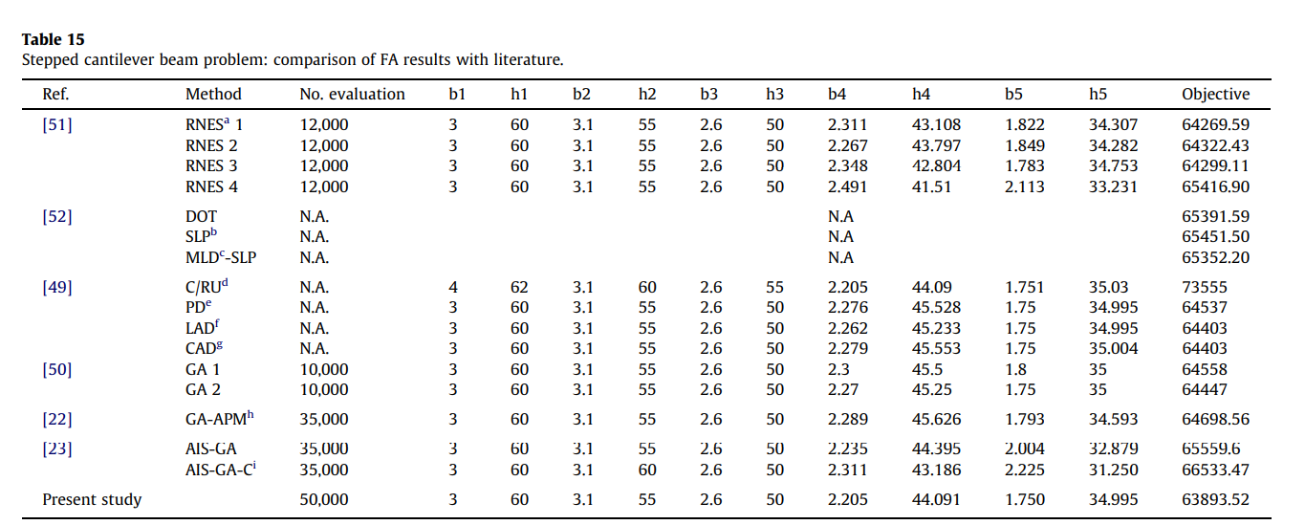
 |  |  |  |  | Ref | Algorithm | No Iteration | b1 | h1 | b2 | h2 | b3 | h3 | b4 | h4 | b5 | h5 | Best
 |  |  |  |  | 51 | RNES 1 | 12000 | 3 | 60 | 3.1 | 55 | 2.6 | 50 | 2.311 | 43.108 | 1.822 | 34.307 | 64269.59
 |  |  |  |  |  | RNES 2 | 12000 | 3 | 60 | 3.1 | 55 | 2.6 | 50 | 2.267 | 43.797 | 1.849 | 34.282 | 64322.43
 |  |  |  |  |  | RNES 3 | 12000 | 3 | 60 | 3.1 | 55 | 2.6 | 50 | 2.348 | 42.804 | 1.783 | 34.753 | 64299.11
 |  |  |  |  |  | RNES 4 | 12000 | 3 | 60 | 3.1 | 55 | 2.6 | 50 | 2.491 | 41.51 | 2.113 | 33.231 | 65416.9
Function | Best | Average | STD | SEM | 52 | DOT | N.A. |  |  | 3.1 | 55 | 2.6 | 50 |  |  |  |  | 65391.59
DTLZ1 | 36.007344987 | 47.67299478 | 16.489735095 | 3.0105999596 |  | SLP | N.A. |  |  | 3.1 | 55 | 2.6 | 50 |  |  |  |  | 65451.5
DTLZ2 | 119.68950143 | 119.92071553 | 0.15892372722 | 0.029015370107 |  | MLD-SLP | N.A. |  |  | 3.1 | 55 | 2.6 | 50 |  |  |  |  | 65352.2
DTLZ3 | 29.704345177 | 56.106026239 | 20.305110132 | 3.7071889506 | 49 | C/RU | N.A. | 4 | 62 | 3.1 | 55 | 2.6 | 50 | 2.205 | 44.09 | 1.751 | 35.03 | 73555
DTLZ7 | 3.7573809491 | 3.9156905271 | 0.16170069034 | 0.029522371887 |  | PD | N.A. | 3 | 60 | 3.1 | 55 | 2.6 | 50 | 2.276 | 45.528 | 1.75 | 34.995 | 64537
 |  |  |  |  |  | LAD | N.A. | 3 | 60 | 3.1 | 55 | 2.6 | 50 | 2.262 | 45.233 | 1.75 | 34.995 | 64403
 |  |  |  |  |  | CAD | N.A. | 3 | 60 | 3.1 | 55 | 2.6 | 50 | 2.279 | 45.553 | 1.75 | 35.004 | 64403
 |  |  |  |  | 50 | GA1 | 10000 | 3 | 60 | 3.1 | 55 | 2.6 | 50 | 2.3 | 45.5 | 1.8 | 35 | 64558
 |  |  |  |  |  | GA2 | 10000 | 3 | 60 | 3.1 | 55 | 2.6 | 50 | 2.27 | 45.25 | 1.75 | 35 | 64447
 |  |  |  |  | 22 | GA-APM | 35000 | 3 | 60 | 3.1 | 55 | 2.6 | 50 | 2.289 | 45.626 | 1.793 | 34.593 | 64698.56
 |  |  |  |  | 23 | AIS-GA | 35000 | 3 | 60 | 3.1 | 55 | 2.6 | 50 | 2.235 | 44.395 | 2.004 | 32.879 | 65559.6
 |  |  |  |  |  | AIS-GA-C | 35000 | 3 | 60 | 3.1 | 55 | 2.6 | 50 | 2.311 | 43.186 | 2.225 | 31.25 | 66533.47
 |  |  |  |  | X | FA | 50000 | 3 | 60 | 3.1 | 55 | 2.6 | 50 | 2.205 | 44.091 | 1.75 | 34.995 | 63.893.52
 |  |  |  |  |  | HSSAPSO | 200 | 2.6311157615 | 63.813400582 | 2.4467360022 | 59.187945849 | 2.5130923239 | 50.577007004 | 1.9238633274 | 47.198098186 | 1.7077184367 | 35.423366376 | 60184.34

